Personas
Solution | Persona name | Details | Key Values | Image
Adwaa-Edu | Marawan | Student 13 Years has a 5.5 " smart phone that used an entertainment tool, in addition, his parents want to utilize the technology in using the device in m-learning, and to reduce the follow-up effort | 1st prep Language school, looking for small intercactive contnent solution In order to accelerate learning process, english is the recommended UI language for display, like adding bookmarks and notes in the books in order to accelerate looking for important notes | 
Adwaa-Edu | Nouran | Student 11 Years the old smart phone of her brother, 5.0" , that used an entertainment tool, in addition, his parents want to utilize the technology in using the device in m-learning, and to reduce the follo-up effort | grade 5th ,Language school, looking for small intercactive contnent solution, and small exams in order to accelerate learning process, arabic is the recommended UI language for display, like adding bookmarks and notes in the books in order to accelerate looking for important notes | 
Adwaa-Edu | Marwa | Mother, looking for utilizing her children smart devices in m-learning , and has a tablet for herself in order to decrease the effort and load, she is looking for smart mobile application to help her in this mission | Cheap software than copy books utilize smart devices in content Enable content for her cheldren in different stages utilize children devices in m-learning Decrease reviewing and follow-up effort for children | 
Teacher | Mostafa | Teacher,30 Years, looking for career advices, and well material that can be communicated with relative students
Special need-Blind | Ayman |  |  | 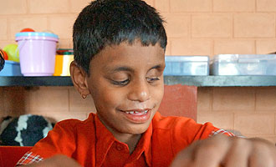
Special need-Blind | Mahmoud |  |  | 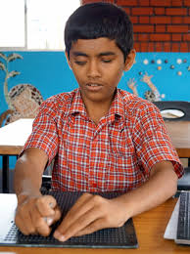
Special need-Diff | Noor |  |  | 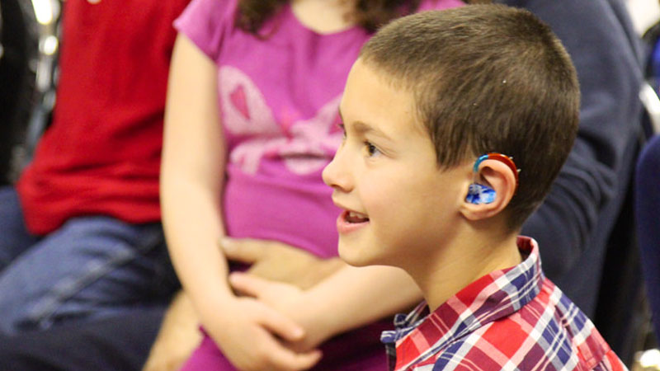
Special need-Diff | Eman |  |  | 